Dodge Dakota
1 | Temp. | 294.3 | A | Temp. | 294 |  | Turbine Compression | 2 | Compression eff. | 0.84 | Turbine efficiency | 0.84 |  | Temp (k) | h (kJ/kg) | p_r | v_r
 | Press. | 0.97 |  | Press. | 0.97 |  | Piston Compression | 9.1 | eff. | 0.85 |  |  |  | 200 | 199.97 | 0.3363 | 1707
 | h_1 | 294.4686 |  | h_a | 294.4686 |  | Ambient press. (bar) | 0.97 |  |  |  |  |  | 210 | 209.97 | 0.3987 | 1512
 | pr_1 | 1.296202 |  | pr_a | 1.296202 |  | Ambient temp. (C | 21 |  |  |  |  |  | 220 | 219.97 | 0.469 | 1346
2 | pr_2s | 2.592404 | B | pr_bs | 11.7954382 |  | Fuel (kj/kg) | 42612.32 |  |  |  |  |  | 230 | 230.02 | 0.5477 | 1205
 | P_2 | 1.94 |  | P_b | 8.827 |  | cp | 0.24 |  |  |  |  |  | 240 | 240.02 | 0.6355 | 1084
 | h_2s | 359.2075966 |  | h_bs | 553.8573722 |  | k | 1.385 |  |  |  |  |  | 250 | 250.05 | 0.7329 | 979
 | h_2 | 371.538834 |  | h_b | 599.6318615 |  | Combustion temp. (C) | 1000 |  |  |  |  |  | 260 | 260.09 | 0.8405 | 887.8
 |  |  |  |  |  |  | Mass flow (Kg/s) | 0.5443 | 2002 dodge dakota v6 3.9 L |  | .65 L per cylinder | .65 l for normal cylinders | 1.3 for converted cylinders | 270 | 270.11 | 0.959 | 808
3 | pr_2s | 23.5908764 | C(combustion) | temp0 | 592.9636776 |  |  |  | lower bound(liters/2 rev) | 5.2 |  |  |  | 280 | 280.13 | 1.0889 | 738
 | P_2 | 17.654 |  | temp1 | 1185.927355 |  |  |  | desnity air(Kg/L) | 0.0026168 |  | Normal Vals |  | 285 | 285.14 | 1.1584 | 706.1
 | h_2s | 674.1674069 |  | Pr0c | 11.7954382 |  | h from fuel | 453 | mass flow (Kg/2rev) | 0.01360736 |  | 175 hp @ 4800 rpm |  | 290 | 290.16 | 1.2311 | 676.1
 | h_2 | 727.5724492 |  | Pr1c | 23.5908764 |  |  |  | rpm | 4800 |  | 130.497 Kw @ 4800 rpm |  | 295 | 295.17 | 1.3068 | 647.9
 |  |  |  | h_c | 1638.927355 |  |  |  | mass flow @ 4800 rpm (kg/min) | 32.657664 |  |  |  | 300 | 300.19 | 1.386 | 621.2
4 | no regen yet, doesnt look like outlet temps high enough |  |  | pr_c | 226.8826106 |  |  |  | m-dot @ 4800 rpm (kg/s) | 0.5442944 | expected kw @5.2L is 174kw |  |  | 305 | 305.22 | 1.4686 | 596
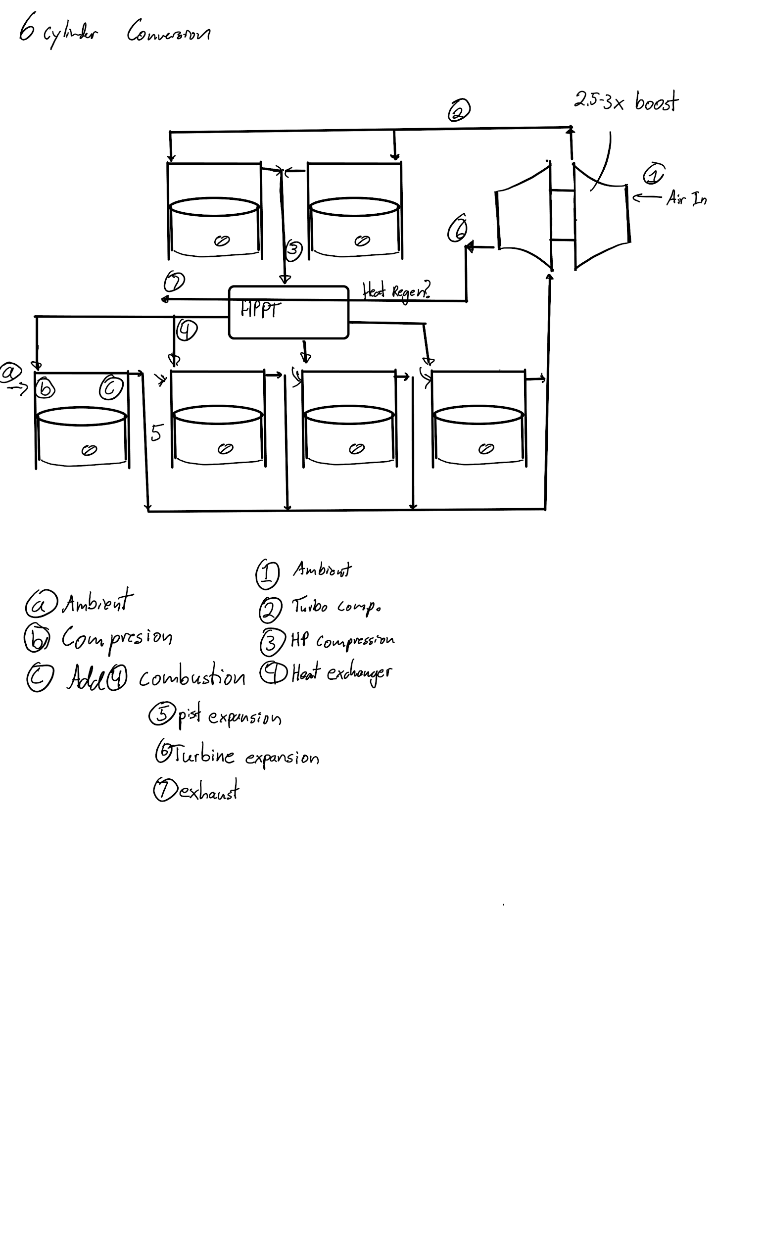
 | pr_2s | 23.5908764 |  |  |  |  |  |  |  |  |  |  |  | 310 | 310.24 | 1.5546 | 572.3
 | P_2 | 17.654 |  |  |  |  |  |  |  |  |  |  |  | 315 | 315.27 | 1.6442 | 549.8
 | h_2 | magic regen here |  |  |  |  |  |  |  |  |  |  |  | 320 | 320.29 | 1.7375 | 528.6
 |  |  |  |  |  |  |  |  |  |  |  |  |  | 325 | 325.31 | 1.8345 | 508.4
5 | P5 | 2.592404 |  |  |  |  |  |  |  |  |  |  |  | 330 | 330.34 | 1.9352 | 489.4
 | pr_5s | 23.12768711 |  |  |  |  |  |  |  |  |  |  |  | 340 | 340.42 | 2.149 | 454.1
 | h_5s | 670.4506409 |  |  |  |  |  |  |  |  |  |  |  | 350 | 350.49 | 2.379 | 422.2
 | h_5 | 815.7221481 |  | Work Engine air | 347.3079268 | kj/kg |  | sanity check: should be close to actual Kw |  |  |  |  |  | 360 | 360.58 | 2.626 | 393.4
 | temp.5 | 794.3176534 |  | work output | 189.0377596 | (kj/s) or (Kw) @4800 rpm |  | of stcck motor when turb. comp. = 1 |  |  |  |  |  | 370 | 370.67 | 2.892 | 367.2
6 | P6 | 0.97 |  |  |  |  |  | 141.7780419 |  |  |  |  |  | 380 | 380.77 | 3.176 | 343.4
 | pr_6s | 8.653688429 |  | According to calcs, system should get a |  |  |  | fairly close to 130 we expect |  |  |  |  |  | 390 | 390.88 | 3.481 | 321.5
 | h_6s | 507.0517594 |  | very small boost to power from trubo system |  |  |  | used this value to get combustion temp close. |  |  |  |  |  | 400 | 400.98 | 3.806 | 301.6
 | h_6 | 553.3523177 |  | most of the power comes from increasing m-dot |  |  |  |  |  |  |  |  |  | 410 | 411.12 | 4.153 | 283.3
 | Temp.6 | 548.6644059 |  | should result in ~ 30-40% less fuel use for same power as stock |  |  |  |  |  |  |  |  |  | 420 | 421.26 | 4.522 | 266.6
7 | Regen here, but not thermodynamically possible |  |  | mpg might reach 25-27mpg |  |  |  |  |  |  |  |  |  | 430 | 431.43 | 4.915 | 251.1
 |  |  |  | might have problems with temperature since |  |  |  |  |  |  |  |  |  | 440 | 441.61 | 5.332 | 236.8
 |  |  |  |  |  |  |  |  |  |  |  |  |  | 450 | 451.8 | 5.775 | 223.6
 |  |  |  |  |  |  |  |  |  |  |  |  |  | 460 | 462.02 | 6.245 | 211.4
 |  |  |  |  |  |  |  |  |  |  |  |  |  | 470 | 472.24 | 6.742 | 200.1
 |  |  |  |  |  |  |  |  |  |  |  |  |  | 480 | 482.49 | 7.268 | 189.5
 |  |  |  |  |  |  |  |  |  |  |  |  |  | 490 | 492.74 | 7.824 | 179.7
 |  |  |  |  |  |  |  |  |  |  |  |  |  | 500 | 503.02 | 8.411 | 170.6
 |  |  |  |  |  |  |  |  |  |  |  |  |  | 510 | 513.32 | 9.031 | 162.1
 |  |  |  |  |  |  |  |  |  |  |  |  |  | 520 | 523.63 | 9.684 | 154.1
 |  |  |  |  |  |  |  |  |  |  |  |  |  | 530 | 533.98 | 10.37 | 146.7
 |  |  |  |  |  |  |  |  |  |  |  |  |  | 540 | 544.35 | 11.1 | 139.7
 |  |  |  |  |  |  |  |  |  |  |  |  |  | 550 | 554.74 | 11.86 | 133.1
 |  |  |  |  |  |  |  |  |  |  |  |  |  | 560 | 565.17 | 12.66 | 127
 |  |  |  |  |  |  |  |  |  |  |  |  |  | 570 | 575.59 | 13.5 | 121.2
 |  |  |  |  |  |  |  |  |  |  |  |  |  | 580 | 586.04 | 14.38 | 115.7
 |  |  |  |  |  |  |  |  |  |  |  |  |  | 590 | 596.52 | 15.31 | 110.6
 |  |  |  |  |  |  |  |  |  |  |  |  |  | 600 | 607.02 | 16.28 | 105.8
 |  |  |  |  |  |  |  |  |  |  |  |  |  | 610 | 617.53 | 17.3 | 101.2
 |  |  |  |  |  |  |  |  |  |  |  |  |  | 620 | 628.07 | 18.36 | 96.92
 |  |  |  |  |  |  |  |  |  |  |  |  |  | 630 | 638.63 | 19.84 | 92.84
 |  |  |  |  |  |  |  |  |  |  |  |  |  | 640 | 649.22 | 20.64 | 88.99
 |  |  |  |  |  |  |  |  |  |  |  |  |  | 650 | 659.84 | 21.86 | 85.34
 |  |  |  |  |  |  |  |  |  |  |  |  |  | 660 | 670.47 | 23.13 | 81.89
 |  |  |  |  |  |  |  |  |  |  |  |  |  | 670 | 681.14 | 24.46 | 78.61
 |  |  |  |  |  |  |  |  |  |  |  |  |  | 680 | 691.82 | 25.85 | 75.5
 |  |  |  |  |  |  |  |  |  |  |  |  |  | 690 | 702.52 | 27.29 | 72.56
 |  |  |  |  |  |  |  |  |  |  |  |  |  | 700 | 713.27 | 28.8 | 69.76
 |  |  |  |  |  |  |  |  |  |  |  |  |  | 710 | 724.04 | 30.38 | 67.07
 |  |  |  |  |  |  |  |  |  |  |  |  |  | 720 | 734.82 | 32.02 | 64.53
 |  |  |  |  |  |  |  |  |  |  |  |  |  | 730 | 745.62 | 33.72 | 62.13
 |  |  |  |  |  |  |  |  |  |  |  |  |  | 740 | 756.44 | 35.5 | 59.82
 |  |  |  |  |  |  |  |  |  |  |  |  |  | 750 | 767.29 | 37.35 | 57.63
 |  |  |  |  |  |  |  |  |  |  |  |  |  | 760 | 778.18 | 39.27 | 55.54
 |  |  |  |  |  |  |  |  |  |  |  |  |  | 770 | 789.11 | 41.31 | 53.39
 |  |  |  |  |  |  |  |  |  |  |  |  |  | 780 | 800.03 | 43.35 | 51.64
 |  |  |  |  |  |  |  |  |  |  |  |  |  | 790 | 810.99 | 45.55 | 49.86
 |  |  |  |  |  |  |  |  |  |  |  |  |  | 800 | 821.95 | 47.75 | 48.08
 |  |  |  |  |  |  |  |  |  |  |  |  |  | 820 | 843.98 | 52.59 | 44.84
 |  |  |  |  |  |  |  |  |  |  |  |  |  | 840 | 866.08 | 57.6 | 41.85
 |  |  |  |  |  |  |  |  |  |  |  |  |  | 860 | 888.27 | 63.09 | 39.12
 |  |  |  |  |  |  |  |  |  |  |  |  |  | 880 | 910.56 | 68.98 | 36.61
 |  |  |  |  |  |  |  |  |  |  |  |  |  | 900 | 932.93 | 75.29 | 34.31
 |  |  |  |  |  |  |  |  |  |  |  |  |  | 920 | 955.38 | 82.05 | 32.18
 |  |  |  |  |  |  |  |  |  |  |  |  |  | 940 | 977.92 | 89.28 | 30.22
 |  |  |  |  |  |  |  |  |  |  |  |  |  | 960 | 1000.55 | 97 | 28.4
 |  |  |  |  |  |  |  |  |  |  |  |  |  | 980 | 1023.25 | 105.2 | 26.73
 |  |  |  |  |  |  |  |  |  |  |  |  |  | 1000 | 1046.04 | 114 | 25.17
 |  |  |  |  |  |  |  |  |  |  |  |  |  | 1020 | 1068.89 | 123.4 | 23.72
 |  |  |  |  |  |  |  |  |  |  |  |  |  | 1040 | 1091.85 | 133.3 | 22.39
 |  |  |  |  |  |  |  |  |  |  |  |  |  | 1060 | 1114.86 | 143.9 | 21.14
 |  |  |  |  |  |  |  |  |  |  |  |  |  | 1080 | 1137.89 | 155.2 | 19.98
 |  |  |  |  |  |  |  |  |  |  |  |  |  | 1100 | 1161.07 | 167.1 | 18.896
 |  |  |  |  |  |  |  |  |  |  |  |  |  | 1120 | 1184.28 | 179.7 | 17.886
 |  |  |  |  |  |  |  |  |  |  |  |  |  | 1140 | 1207.57 | 193.1 | 16.946
 |  |  |  |  |  |  |  |  |  |  |  |  |  | 1160 | 1230.92 | 207.2 | 16.064
 |  |  |  |  |  |  |  |  |  |  |  |  |  | 1180 | 1254.34 | 222.2 | 15.241
 |  |  |  |  |  |  |  |  |  |  |  |  |  | 1200 | 1277.79 | 238 | 14.47
 |  |  |  |  |  |  |  |  |  |  |  |  |  | 1220 | 1301.31 | 254.7 | 13.747
 |  |  |  |  |  |  |  |  |  |  |  |  |  | 1240 | 1324.93 | 272.3 | 13.069
 |  |  |  |  |  |  |  |  |  |  |  |  |  | 1260 | 1348.55 | 290.8 | 12.435
 |  |  |  |  |  |  |  |  |  |  |  |  |  | 1280 | 1372.24 | 310.4 | 11.835
 |  |  |  |  |  |  |  |  |  |  |  |  |  | 1300 | 1395.97 | 330.9 | 11.275
 |  |  |  |  |  |  |  |  |  |  |  |  |  | 1320 | 1419.76 | 352.5 | 10.747
 |  |  |  |  |  |  |  |  |  |  |  |  |  | 1340 | 1443.6 | 375.3 | 10.247
 |  |  |  |  |  |  |  |  |  |  |  |  |  | 1360 | 1467.49 | 399.1 | 9.78
 |  |  |  |  |  |  |  |  |  |  |  |  |  | 1380 | 1491.44 | 424.2 | 9.337
 |  |  |  |  |  |  |  |  |  |  |  |  |  | 1400 | 1515.42 | 450.5 | 8.919
 |  |  |  |  |  |  |  |  |  |  |  |  |  | 1420 | 1539.44 | 478 | 8.526
 |  |  |  |  |  |  |  |  |  |  |  |  |  | 1440 | 1563.51 | 506.9 | 8.153
 |  |  |  |  |  |  |  |  |  |  |  |  |  | 1460 | 1587.63 | 537.1 | 7.801
 |  |  |  |  |  |  |  |  |  |  |  |  |  | 1480 | 1611.79 | 568.8 | 7.468
 |  |  |  |  |  |  |  |  |  |  |  |  |  | 1500 | 1635.97 | 601.9 | 7.152
 |  |  |  |  |  |  |  |  |  |  |  |  |  | 1520 | 1660.23 | 636.5 | 6.854
 |  |  |  |  |  |  |  |  |  |  |  |  |  | 1540 | 1684.51 | 672.8 | 6.569
 |  |  |  |  |  |  |  |  |  |  |  |  |  | 1560 | 1708.82 | 710.5 | 6.301
 |  |  |  |  |  |  |  |  |  |  |  |  |  | 1580 | 1733.17 | 750 | 6.046
 |  |  |  |  |  |  |  |  |  |  |  |  |  | 1600 | 1757.57 | 791.2 | 5.804
 |  |  |  |  |  |  |  |  |  |  |  |  |  | 1620 | 1782 | 834.1 | 5.574
 |  |  |  |  |  |  |  |  |  |  |  |  |  | 1640 | 1806.46 | 878.9 | 5.355
 |  |  |  |  |  |  |  |  |  |  |  |  |  | 1660 | 1830.96 | 925.6 | 5.147
 |  |  |  |  |  |  |  |  |  |  |  |  |  | 1680 | 1855.5 | 974.2 | 4.949
 |  |  |  |  |  |  |  |  |  |  |  |  |  | 1700 | 1880.1 | 1025 | 4.761
 |  |  |  |  |  |  |  |  |  |  |  |  |  | 1750 | 1941.6 | 1161 | 4.328
 |  |  |  |  |  |  |  |  |  |  |  |  |  | 1800 | 2003.3 | 1310 | 3.944
 |  |  |  |  |  |  |  |  |  |  |  |  |  | 1850 | 2065.3 | 1475 | 3.601
 |  |  |  |  |  |  |  |  |  |  |  |  |  | 1900 | 2127.4 | 1655 | 3.295
 |  |  |  |  |  |  |  |  |  |  |  |  |  | 1950 | 2189.7 | 1852 | 3.022
 |  |  |  |  |  |  |  |  |  |  |  |  |  | 2000 | 2252.1 | 2068 | 2.776
 |  |  |  |  |  |  |  |  |  |  |  |  |  | 2050 | 2314.6 | 2303 | 2.555
 |  |  |  |  |  |  |  |  |  |  |  |  |  | 2100 | 2377.4 | 2559 | 2.356
 |  |  |  |  |  |  |  |  |  |  |  |  |  | 2150 | 2440.3 | 2837 | 2.175

